Facebook - Progressives
Date | Date content | Type | Data site | Actor | Note | Link(s) | Relevance | Reflections | Themes (Freddy)
2021-10-05 | 2021-01-05 | Facebook status | Facebook | Bernie Sanders | "Instead of fighting wars, let's go to war against climate change. Let's create tens of millions of jobs globally. That's the challenge we face, and for the future of this planet, we've got to succeed." | https://www.facebook.com/berniesanders/posts/4034983436556630 | Fighting climate change instead of war | Communicates similiar here to Twitter, except that he did not tweet this only posted on Facebook. But he has a similiar argument for the need to fight climate change | Intersectionality Critical of status quo Future
2021-10-05 | 30/04/2021 | Facebook status | Facebook | Alexandria Ocasio-Cortez | "TODAY: Team AOC is teaming up with Rep. Cori Bush, Sunrise Movement, and People’s Action for a national call-in day to Congress for the Green New Deal. Take two minutes to call your representatives and ask them to cosign the Green New Deal for Public Housing, the Green New Deal for Cities, and the Civilian Climate Corps. ➡️" | https://www.facebook.com/OcasioCortez/posts/3881853778571944 | Signing Green New Deal | In general, AOC communicates less on Facebook. Interestingly, she does not use a first person approach in her writting which she does on Twitter, which makes it less personal. Still promotes Green New Deal in a smiliar matter, except that she does not push for it's "need" as much in her post here | Relational Activists groups Green New Deal Call to action
2021-10-05 | 30/04/2021 | Facebook status | Facebook | Ilhan Omar | "We are living in a moment of crisis- the result of years of extracting wealth from Black, Brown, and Indigenous communities, and ignoring the effects of pollution in the air we breathe and the water we drink. As we rebuild the Twin Cities after a global pandemic, economic downturn, and racial justice uprisings, we call our community together to center our demands for good, green jobs at the national and local level. s/o MN350: Building a Climate Movement in Minnesota, Sunrise Movement Twin Cities, Unidos MN, Twin Cities Democratic Socialists of America & traditional Aztec dance group Kalpulli KetzalCoatlicue." | https://www.facebook.com/IlhanMN/posts/3760310500744215 | Need for good green jobs at national and local level in regards to rebuilding Twin Cities | Tweeted similiar post on this same idea, expanded on it more here which is probably cause she has more characters to use. Also shoutouts on fb but not twitter | Intersectionality Crisis Local policy National policy
2021-11-05 | 22/04/2021 | Facebook status | Facebook | Ted Lieu | "Pleased that President Biden recognizes chemistry and physics are real and they do not compromise. #EarthDay https://www.google.com/.../earth-day-2021-joe-biden.../amp" | https://www.facebook.com/tedlieu/posts/3929975537089856 | Earth Day and Biden praise | Same as his tweet about earth day, once again commemorating Biden's efforts on Earth Day. Unlike Twitter, this post involves a photo | Biden admin. Science Other admin.
2021-11-05 | 22/03/2021 | Facebook status | Facebook | Rashida Tlaib | 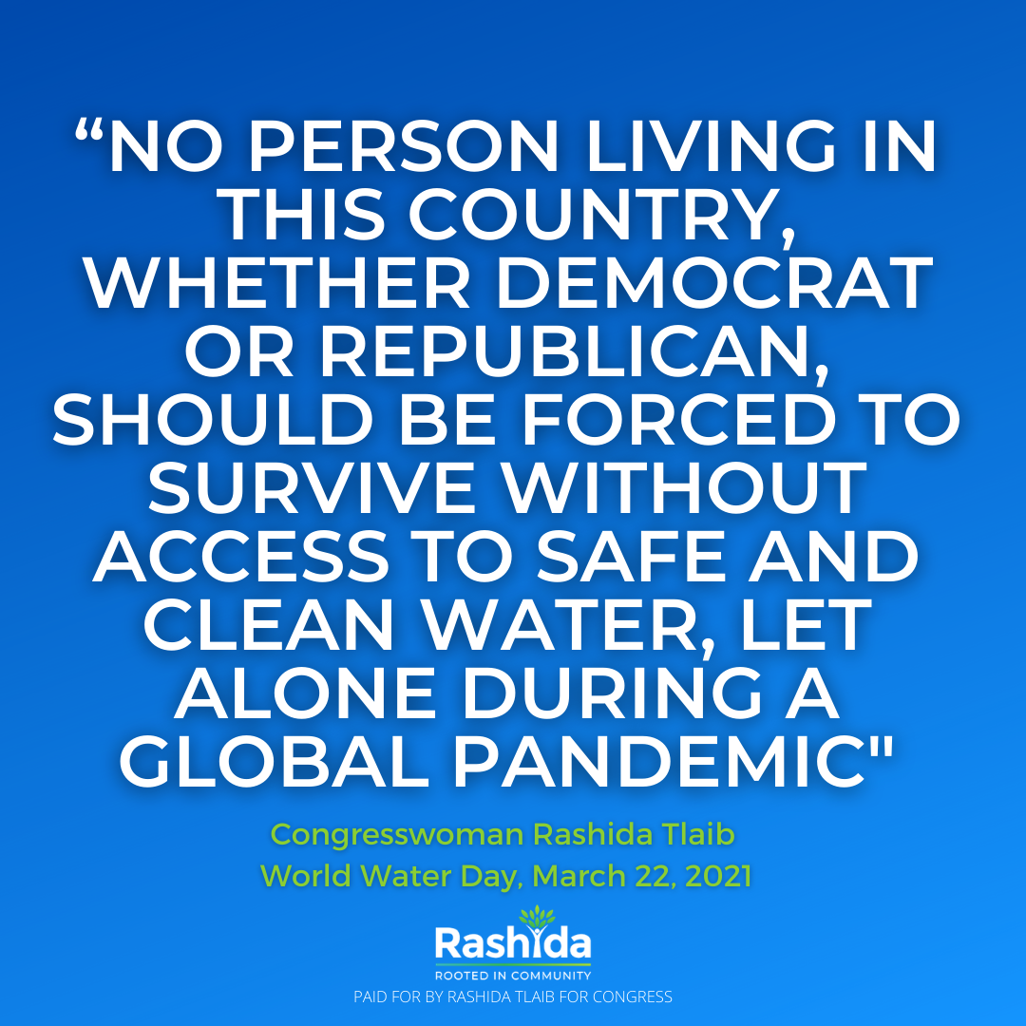 "The scientific evidence is clear: the climate is changing and will continue to change, affecting societies mainly through water. Climate change will affect the availability, quality, and quantity of water for basic human needs, threatening the human right to water and sanitation for potentially billions of people. | https://www.facebook.com/RashidaForCongress/posts/4278941198800781 | Climate change | Did not post on Twitter, just like Ted she uses more images on Facebook. Still talks about climate change affecting our basic human needs, but the image also relates it to the pandemic. Further, the image shows that she posted it on "World Water Day" and has her name on it as well | Science Climate change is dangerous Severity
2021-11-05 | 2020-08-12 | Facebook status | Facebook | Ayanna Presley | “The siting of any new significant energy project requires the full and informed input of the surrounding public, [especially] as this planned industrial infrastructure is in an already disproportionately overburdened Environmental Justice community. Participation in the approval process must not be in name only.” https://www.wbur.org/.../east-boston-substation-efsb..." | https://www.facebook.com/ayannapressley2/posts/10157333721731750 | Energy project in an overburdened community | Infrastructural project in an overburneded envrionmental justice community, quotes and links to newsarticle about it (WBUR.org). In general, posts less especially about climate on Facebook | Community Environmental justice
2021-11-05 | 23/04/2021 | Facebook status | Facebook | Cori Bush | "Happy #EarthDay! Celebrate by becoming a citizen co-sponsor of my bill to federally fund Green New Deals for every city, town, tribe, and territory — because environmental justice needs to be rooted in our communities.*link GND* | https://www.facebook.com/VoteCoriBush/posts/293876132393589 | Earth Day and Green New Deal | Same post as on Twitter, with link to Green New Deal | Green New Deal Call to action Environmental justice
2021-11-05 | 27/04/2021 | Facebook status | Facebook | Pramila Jayapal | 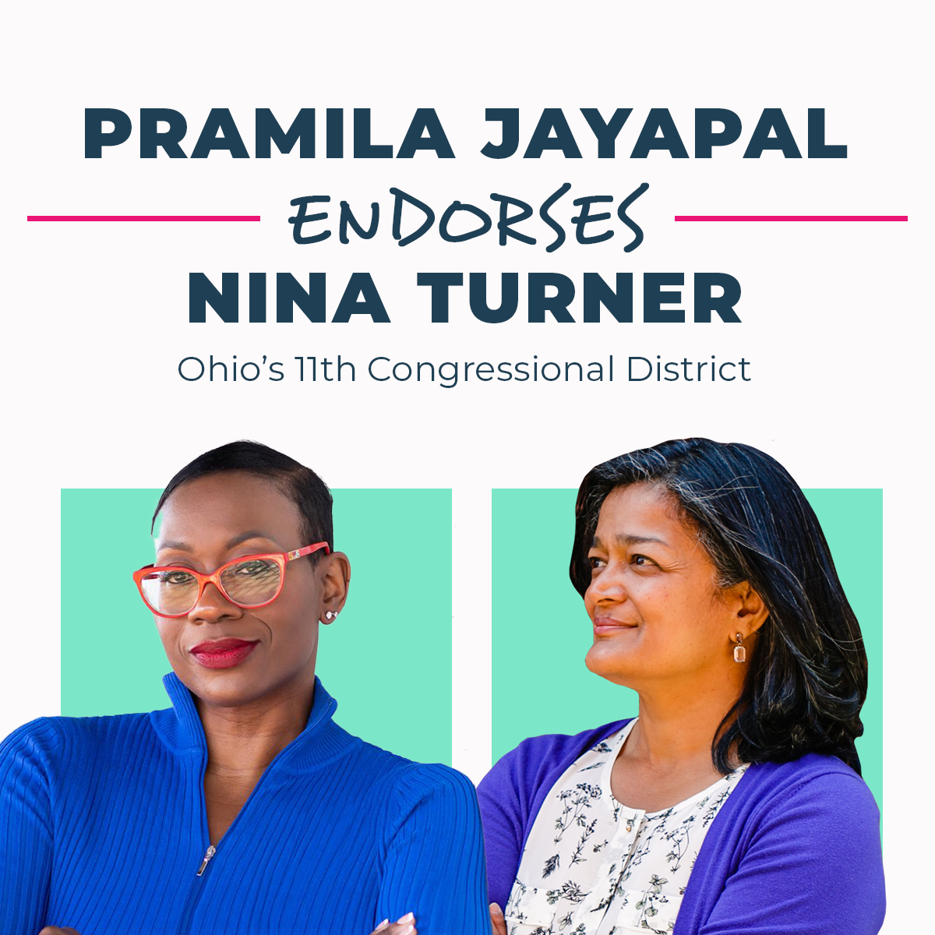 "Proud to endorse my friend Nina Turner! She’s a bold, progressive champion who has been organizing for a long time as an activist. She’ll fight hard for Medicare for All, College for All, the Green New Deal, a $15 minimum wage, and more. I know she’ll be able to bring about the change we need across America. Let’s do what we can to send her to Congress! Please chip in to her campaign if you can: https://secure.actblue.com/donate/cpjforsnt/?refcode=fb" | https://www.facebook.com/pramila.jayapal/photos/a.223054367888313/1715538181973250 | Endorsing Nina Turner, mentions her fighting for Green New Deal | Endorsing fellow dem Nina Turner, mentions that she will fight for the Green New Deal. Links to her campaign and includes photo of them with the title "Pramila Jayapal endorses Nina Turner". Did not post this on Twitter, seems in general more active on Facebook. Once again, noticign a trend of longer posts and images on Facebook | Relational Green New Deal Call to action
2021-11-05 | 26/01/2021 | Facebook status | Facebook | Jerrold Nadler | "It's difficult to overstate the difference that a rebuilt and expanded Gateway tunnel would make for the NY/NJ region. Investing in Gateway means jobs, reduced carbon emissions, high speed rail, and much more. I know President Joe Biden (aka Amtrak Joe) fully supports it. Let's get it done. | https://www.facebook.com/CongressmanNadler/posts/10158269711088978 | Gateway tunnel as a means of reduced carbon emission | Same trend as on Twitter, tends to tag Biden either supporting or offering a counter-proposal. In this case, supporting him. Less Facebook posts then tweets in general, especially regarding climate. | Local policy Infrastructure Intersectionality Biden admin.
28/05/2021 | 25/05/2021 | Facebook status | Facebook | Bernie Sanders | "What does infrastructure mean? It means that at a time when millions of our people are living paycheck to paycheck, we have got to create millions of good-paying jobs. That means rebuilding our roads, our bridges — it also means dealing with the existential threat of climate change. It also means expanding Medicare to cover dental care, hearing aids, and eyeglasses. It also means investing in our young people, investing in education so that we have the best educated workforce on the planet. That's what I think about when I think about infrastructure in America today." | https://www.facebook.com/berniesanders/posts/4108263055895334 | Infrastructure and what it entails, including facing climate change | Infrastructure and what it mean, includes the need to face the existential threat of climate change. Once again, Bernie posts less on fb but has lengthier posts here compared to Twitter | Infrastructure Intersectional Climate change is dangerous Generational
28/05/2021 | 26/04/2021 | Facebook status | Facebook | Alexandria Ocasio-Cortez | "A big, warm THANK YOU to all of our neighbors who joined us in the park to celebrate Earth Day this past weekend. 🌎 We played games, made crafts, and talked about how we need the Green New Deal right here in Queens. Join the Stop the Astoria Power Plant Coalition and let Governor Cuomo know: we will not compromise our air, we will not compromise our water, and we will create a more sustainable way of life to pass along to our kids. Send the Governor a note today: https://bit.ly/noNRGplant And thank you to all of our incredible volunteers, NYPIRG, Sunrise Movement, Food & Water Watch, Sane Energy Project, NYC Democratic Socialists of America, Queens Climate Project, Assemblymember Zohran Kwame Mamdani, State Senator Jessica Ramos, and the office of State Senator Michael Gianaris for creating a joyful space to bring our community together. | https://www.facebook.com/OcasioCortez/posts/3869873869769935 | Earth day and green new deal | Did not post this on Twitter for Earth Day. Brings up Green New Deal in light of Earth Day, as she did on Twitter. This post is a lot longer and includes a lot more tags and thank you for the park event she hosted | Community Green New Deal Attributing blame to corporations Call to action Relational Questioning dem leadership Generation Activist groups
28/05/2021 | 22/04/2021 | Facebook status | Facebook | Ilhan Omar | "Join this Saturday, April 24 at 2PM CST at Robert's Shoes vacant lot - Lake St. & Chicago Ave. We are living in a moment of crisis- the result of years of extracting wealth from Black, Brown, and Indigenous communities, and ignoring the effects of pollution in the air we breathe and the water we drink. All Minnesotans- no matter our backgrounds- deserve dignified work and a clean, safe place to call home. As we rebuild the Twin Cities after a global pandemic, economic downturn, and racial justice uprisings we call our community together this Earth Day to center our demands for good, green jobs at the national and local level." | https://www.facebook.com/IlhanMN/posts/3737401529701779 | Rebuilding Twin Cities, linked an event called "Green Jobs for All Earth Day Rally" | As AOC, earth day post is different compared to Twitter, this is a lot longer. Further, includes an event/rally, which you cannot do on Twitter. Post talks about ignoring the effects of pollution, and the effect its had specifically on Brown, Black and Indigenous communities. Rebuilding Twin Cities and calls comunity together in light of this to demand good green jobs | Call to action Crisis Intersetionality Justice Threat to basics Community
28/05/2021 | 25/03/2021 | Facebook status | Facebook | Ted Lieu | "For those who reject science and still think climate change is not real, read this. https://www.google.com/.../www.../news/amp/ncna1262056" | https://www.facebook.com/tedlieu/posts/3844997638920980 | Science and climate change | Same article as on Twitter, but he used a different caption but the same gist of science and climate change | Science Call to action
28/05/2021 | 25/08/2020 | Facebook status | Facebook | Rashida Tlaib | "Young leaders from Sunrise Movement made thousands of calls to #13District residents during our grassroots campaign, ensuring that residents knew how to vote safely during #Covid19. With the help of Sunrise, our fight for the right to breathe clean air grows stronger. Michigan’s 13th District includes frontline communities and the most polluted zip code in the state: 48217. Doing nothing on climate change is not an option. Our district births movements and we know we can transform our district into an engine for the Green New Deal." | https://www.facebook.com/RashidaForCongress/posts/3660333253994915 | Sunrise Movement and right to breathe clean and and fight for climate change | Posts longer on fb and less often compared to Twitter. Promotes Green New Deal in light of fighting climate change. And Sunrise Movement to help people vote safely during COVID and fight for right to breathe clean air. | Activist groups Community Intersectionality Green New Deal From local to national
28/05/2021 | 30/11/2020 | Facebook status | Facebook | Ayanna Presley | "I dream a world where Democrats intensely focused on persuading Trump supporters would instead bring that same energy to feeding & housing people, healthcare for all, dismantling structural racism, mass incarceration, closing the racial wealth gap, police accountability, and climate change. | https://www.facebook.com/ayannapressley2/posts/10157318632026750 | Dems putting energy in e.g. climate change | Did not tweet this. Encouraging democrats on focusing on the problems at hand, such as climate change, instead of trying to persuade Trump supporters to be dems | Critical of party Other admin. Intersectionality Justice
28/05/2021 | 20/04/2021 | Facebook status | Facebook | Cori Bush | "Corporations pollute our communities, raise our utility costs during crises, and then do everything possible to avoid consequences. It's time our communities take the power back. The Green New Deal for Cities does that. If you're with us, sign-on: | https://www.facebook.com/VoteCoriBush/posts/291924752588727 | Green New Deal and pollution | Same post as on Twitter, with link to Green New Deal | Attributing blame to corporations Green New Deal Call to action
28/05/2021 | 2021-05-05 | Facebook status | Facebook | Pramila Jayapal | Imagine what we could do for people with $7 trillion. That’s infrastructure, child care, paid leave, free college, climate action, and other investments in our communities. Tax the rich. | https://www.facebook.com/pramila.jayapal/photos/a.223054367888313/1720638521463216 | Uncollected taxes and what we could do for climate action | Did not post this on Twitter, more active on Facebook. Taxing the rich and what we could do with that money such as improving infradtructure and climate action. | Infrastructure Blaming corporations Intersectionality Blaming rich
28/05/2021 | 27/01/2021 | Facebook status | Facebook | Jerrold Nadler | "The helicopters that fly low over NYC cause noise & environmental pollution and put New Yorkers and tourists in danger. These commercial air tours have long needed further regulation: since the FAA won't lead, I introduced the Safe and Quiet Skies Act." | https://www.facebook.com/CongressmanNadler/posts/10158273274653978 | Helicopters and pollution | Tweeted about this too, but on twitter used a hashtag which makes no sense to do on Facebook. Introducing his act for regulation of the helicopters over NYC that cause noise and pollution | Local policy Attributing blame to corporations

